Graphs
Economic freedom overall score
 | 11.44 | 17.73
 | 12.62 | 16
 | 12 | 16.91
 | 11.88 | 17.09
 | 11.94 | 17
Sound Money
 | 13.44 | 14.82
 | 14.12 | 13.82
 | 12.56 | 16.09
 | 12.04 | 16.82
 | 13.06 | 15.36

Size of Government
 | 16.56 | 10.27
 | 17.31 | 9.18
 | 17.25 | 9.27
 | 17.19 | 9.36
 | 17.44 | 9
Freedom to trade internationally
 | 12.81 | 15.73
 | 12.56 | 16.09
 | 12.88 | 15.64
 | 13 | 15.45
 | 12.88 | 15.64

Legal System & Property Rights
 | 9.06 | 21.18
 | 9 | 21.27
 | 9.06 | 21.18
 | 9.31 | 20.82
 | 9.38 | 20.73
Regulation
 | 11.88 | 17.09
 | 11.38 | 17.82
 | 11.06 | 18.27
 | 11.44 | 17.73
 | 11.38 | 17.82

SPSS graphs 2015
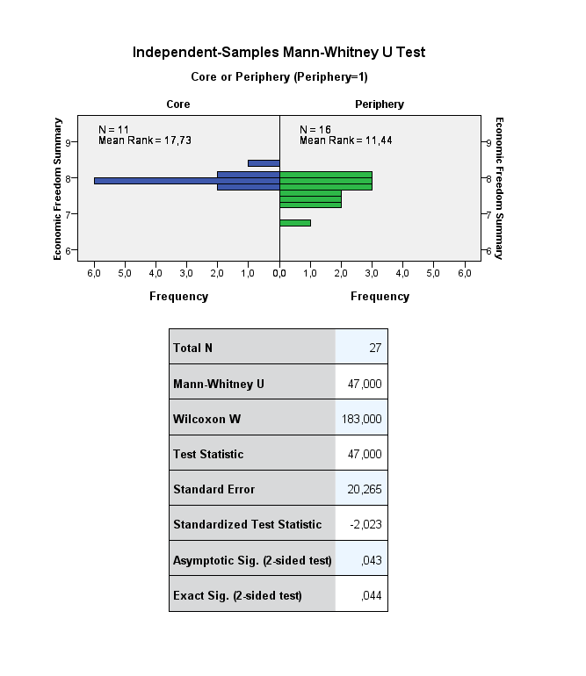
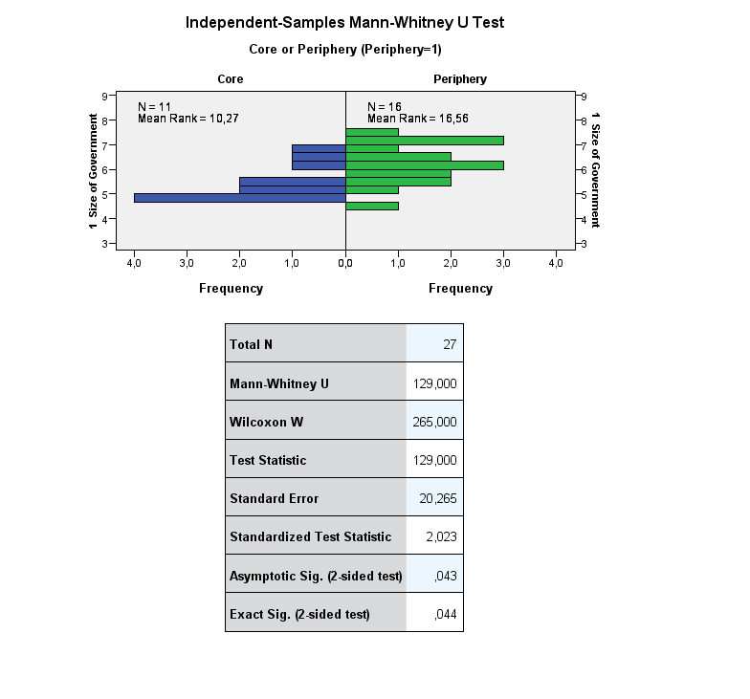
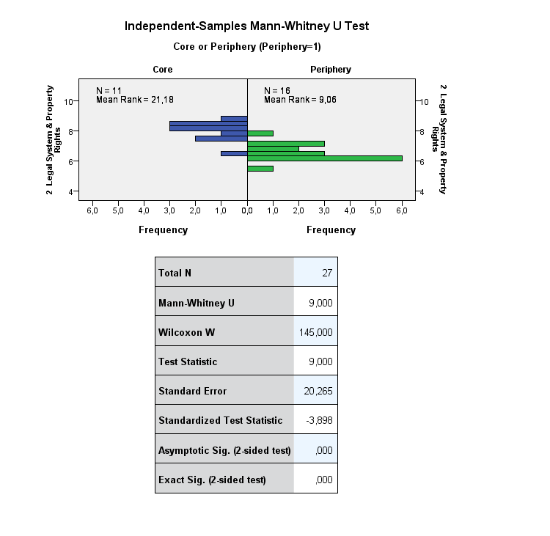
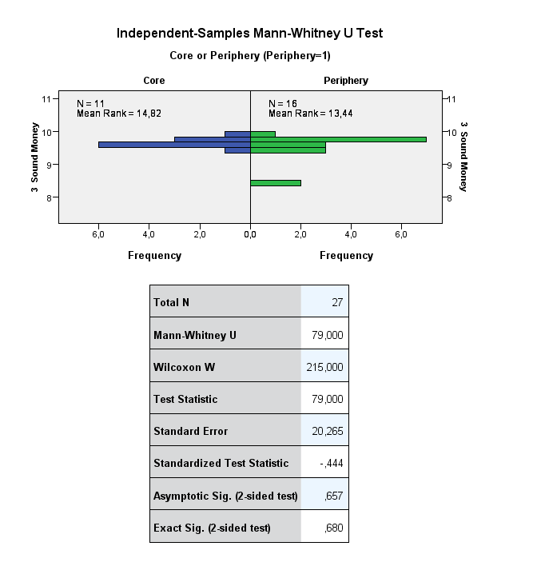
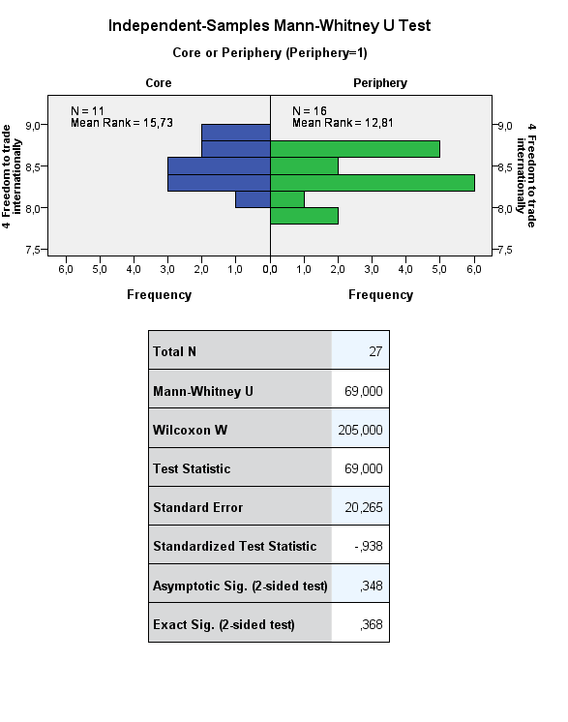
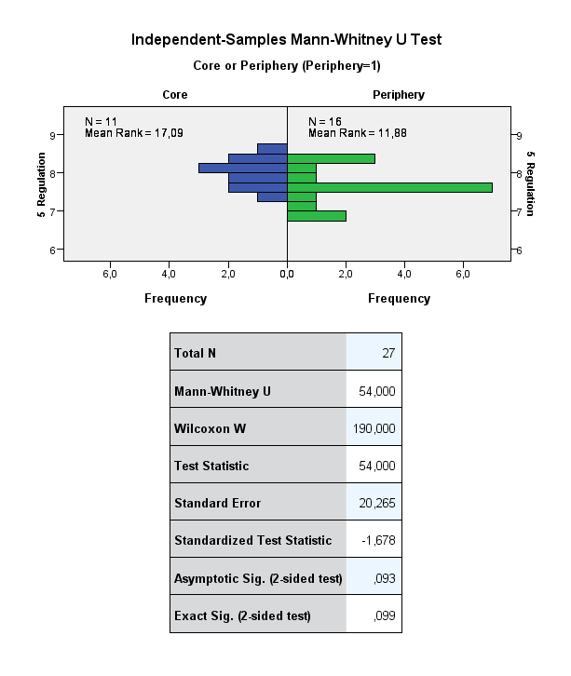

SPSS graphs 2016
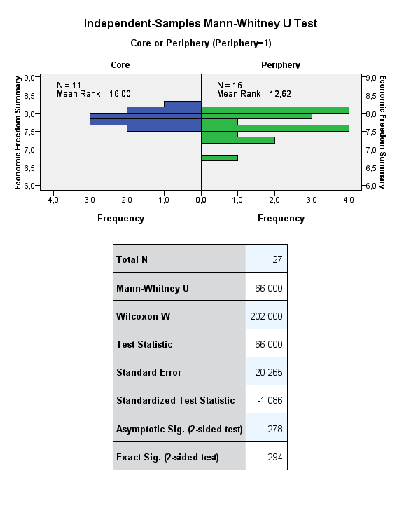
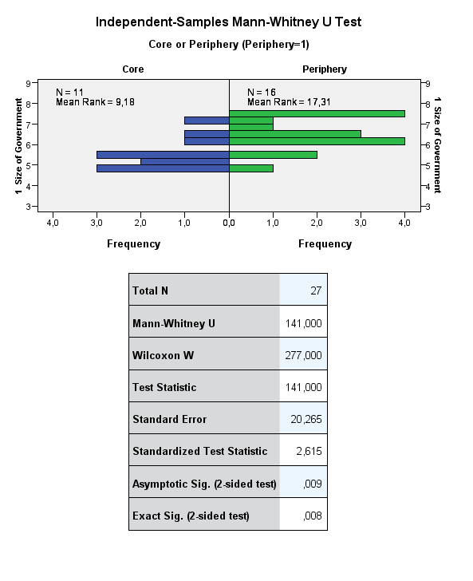
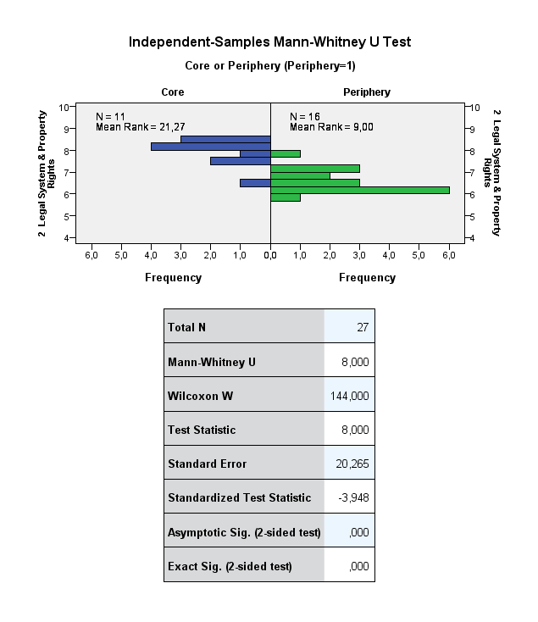
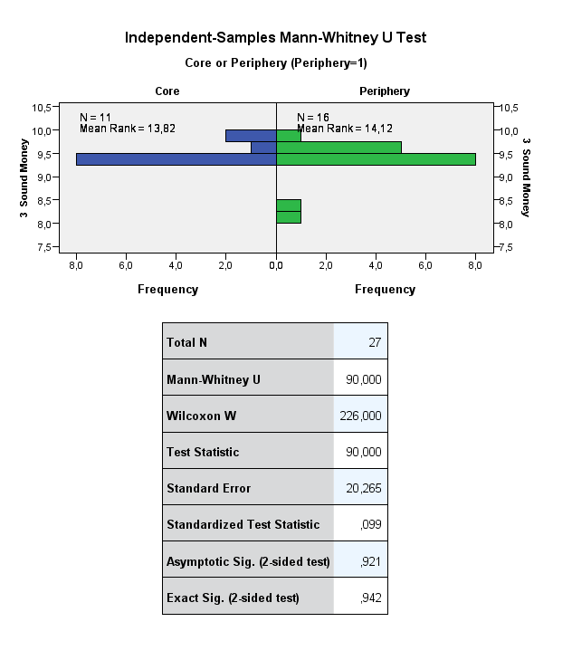
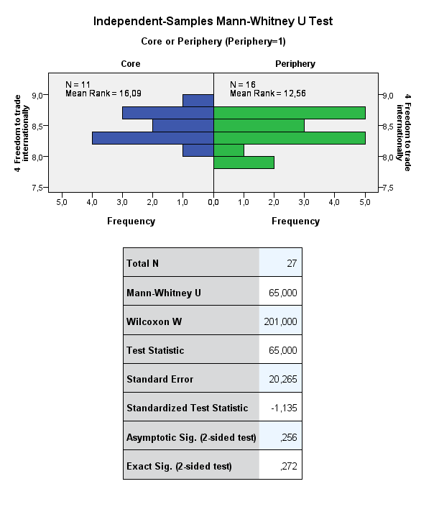
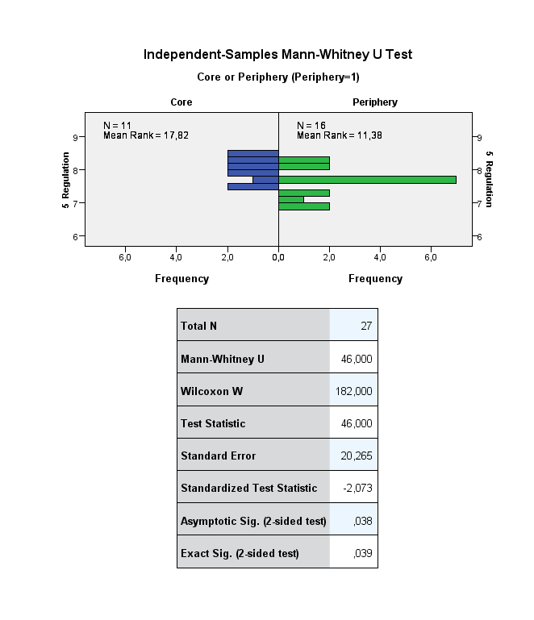

SPSS graphs 2017
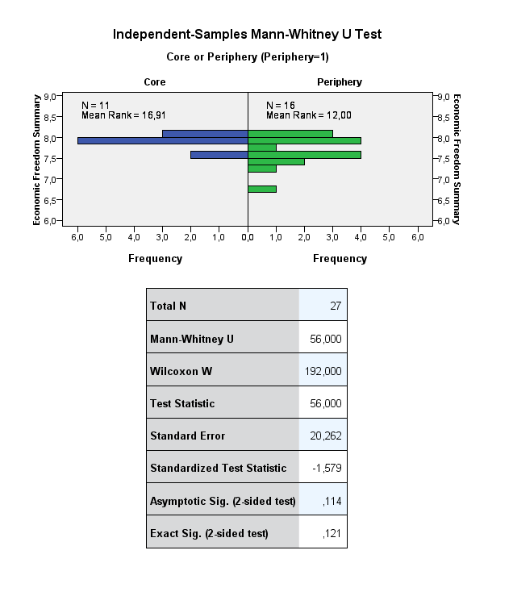
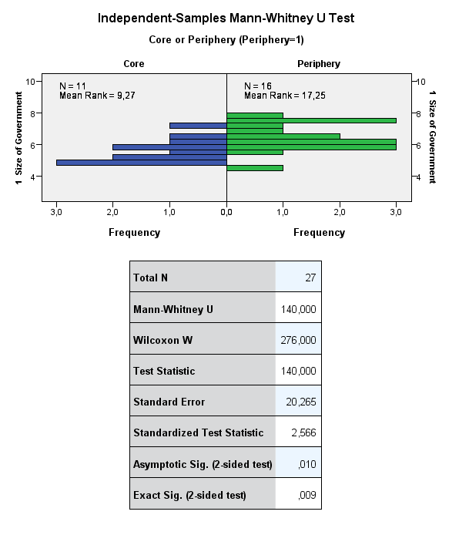
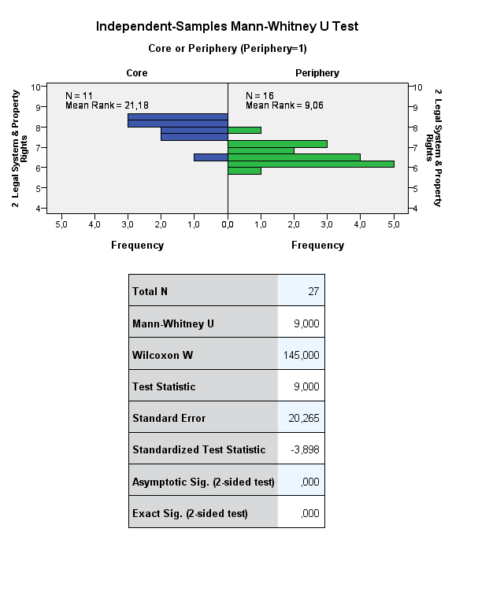
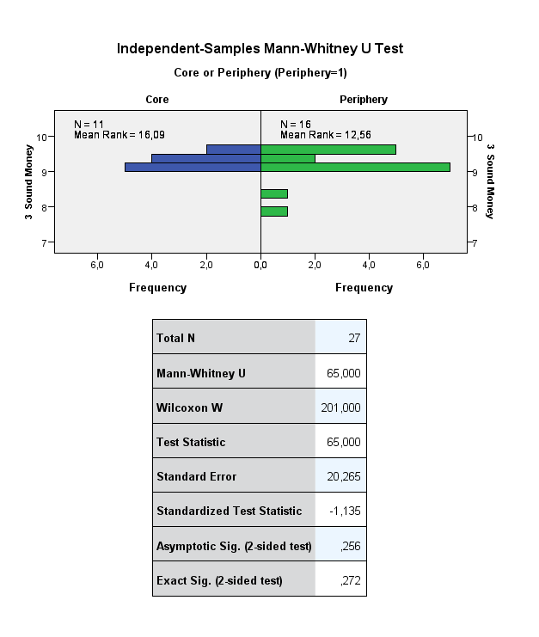
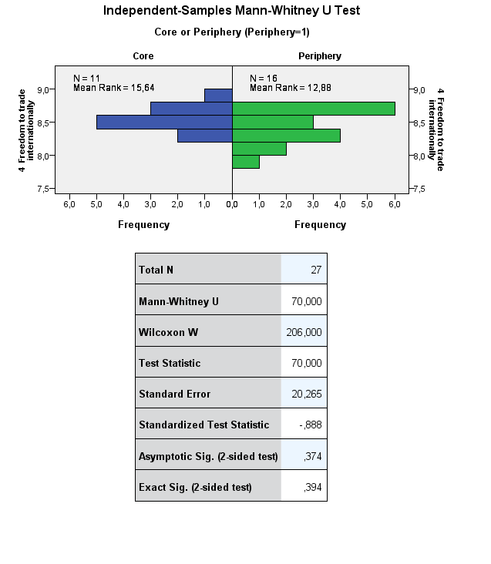
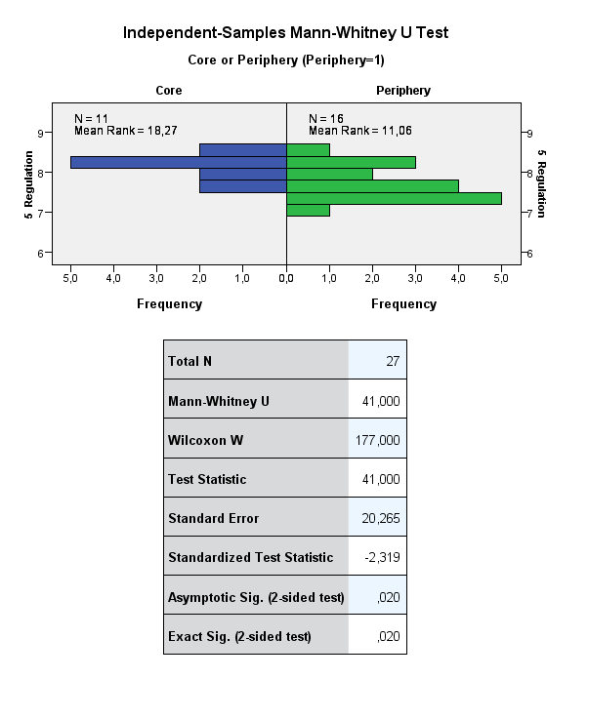

SPSS graphs 2018
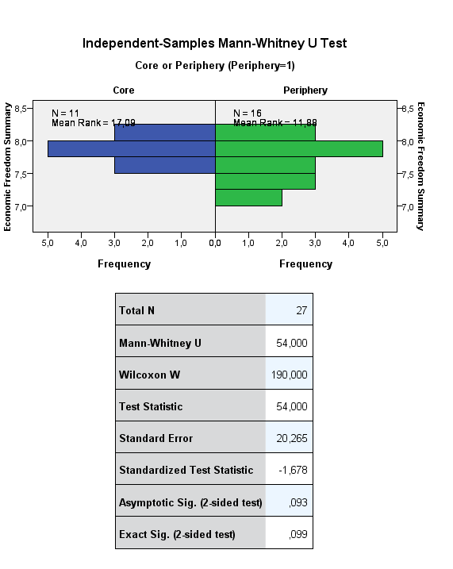
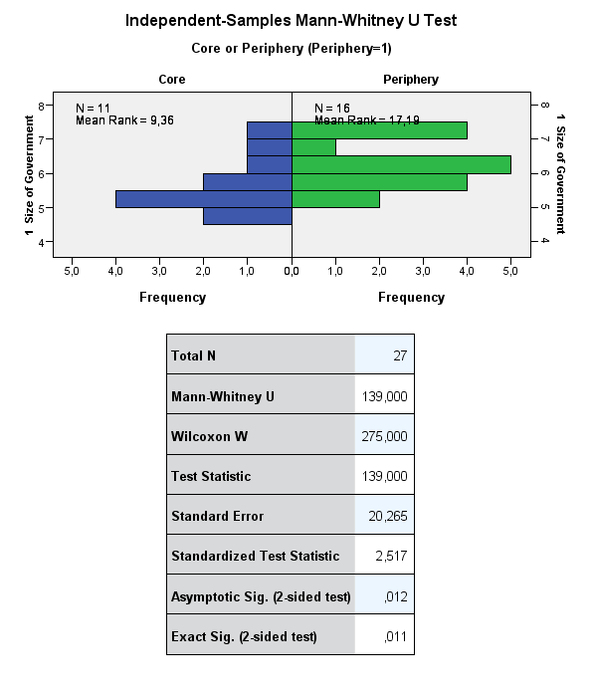
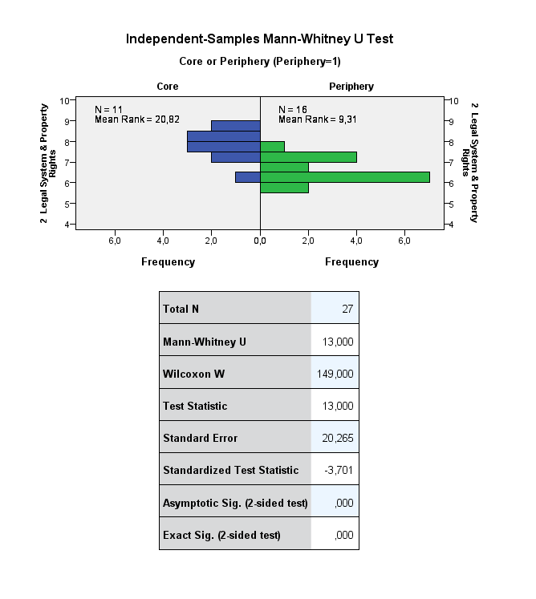
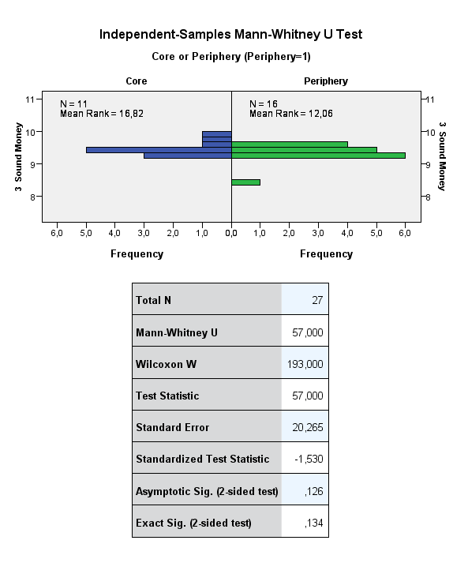
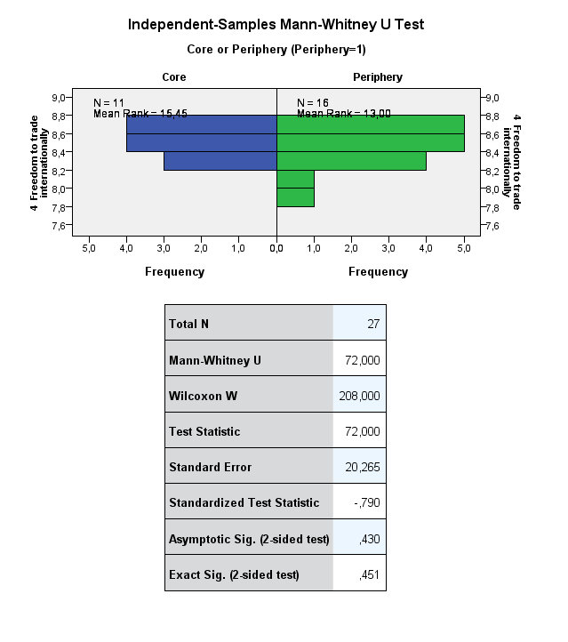
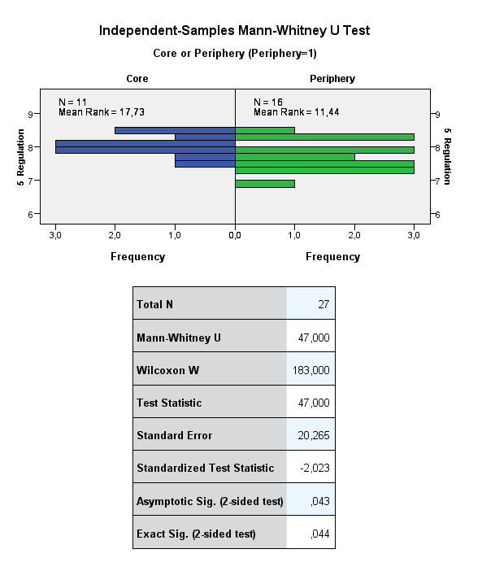

SPSS graphs 2019
